SCA - Batch 1
Selective Cement Activation (SCA) - Batch 1
Physical Properties
Density (Kg/dm3)
Porosity (%) and Pore Size Distribution
Elasticity Modulus (Pa)
Compressive Strength (Mpa)
Thermal Conductivity
Damping Capacity
Layering Properties | Homogeneous along the thickness direction: density, porosity, etc?
Supplementary Instruction | other suggested properties worth attention; reference
Material Properties
On the particle bed | a cement-based SCA material which is a mixture with light weight aggregates was used? Grain Size distribution/Shape of Aggregates? Aggregates Layer Thickness? In such mixture are fine aggregates containing quartz sand, a rapid-setting cement (Portland cement with Mayenite), and methyl cellulose granules (<1 M-%)? Binder Composition?
Hardening Agent/Activator
Supplementary Instruction | other suggested properties worth attention; reference
Surface Characteristics
Texture Information | two sides
Surface Roughness | two sides
Manufacturing Process Factors (more focus on geometries)
experimental setup of the printer
Layer Thickness | The thickness of each printed layer and the orientation of these layers affect how sound waves interact with the structure.
Curing Condition
Compaction and Pressure Applied
Exavation Conditions
Supplementary Instruction | other suggested properties worth attention; reference

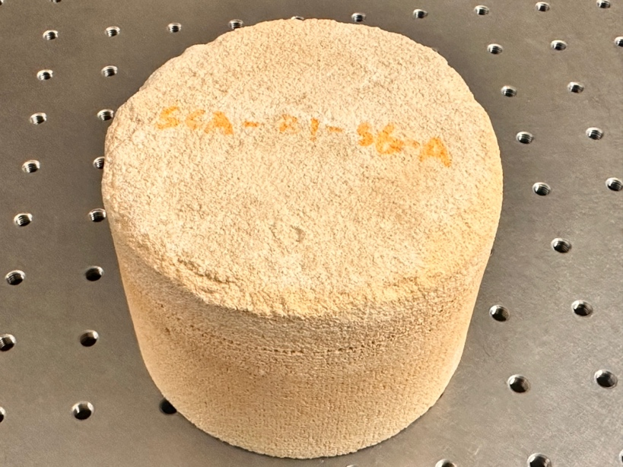
SIDE A

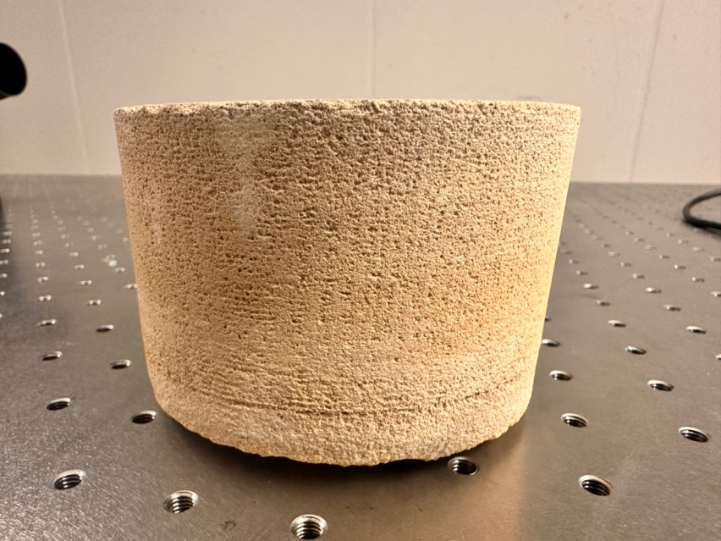

Along the thickness direction

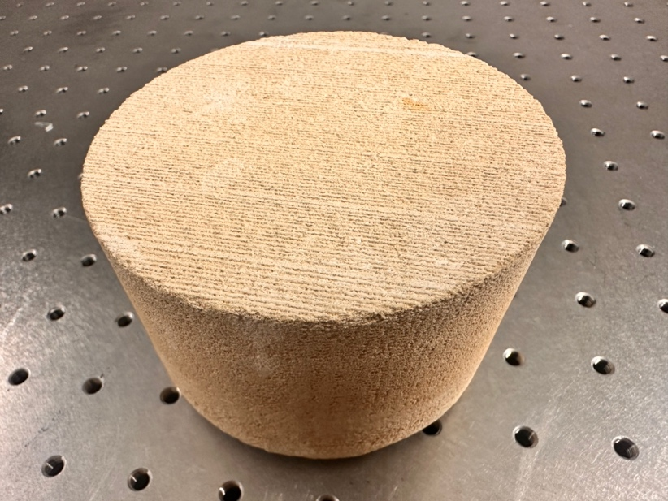
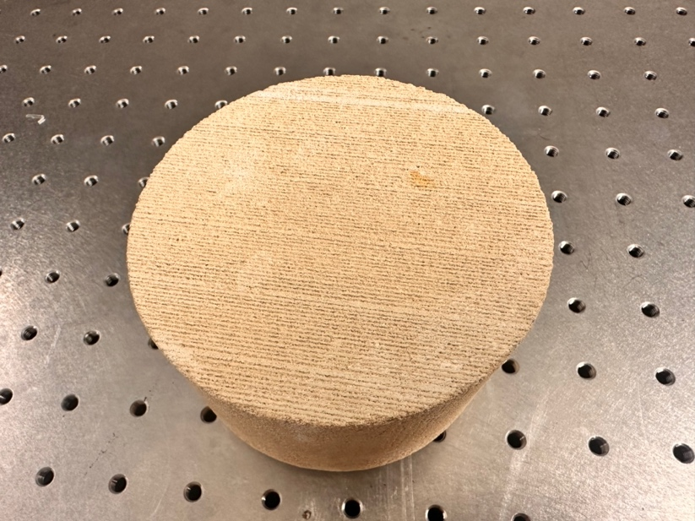
SIDE B

SCA - Batch 2
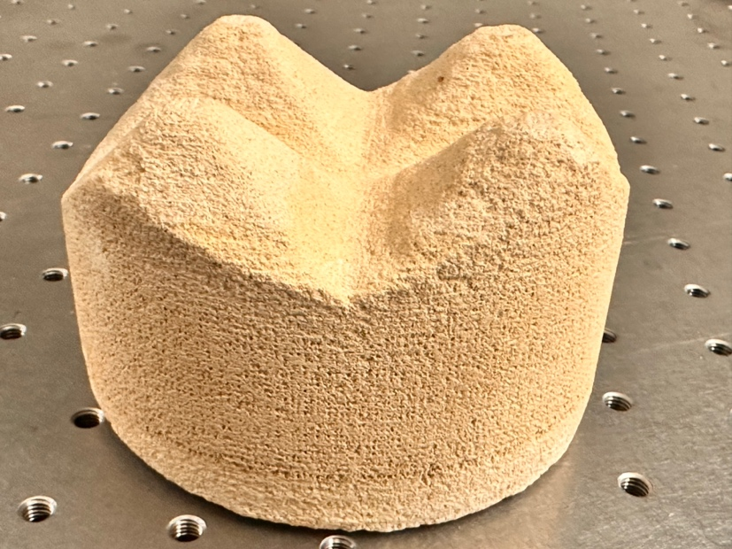
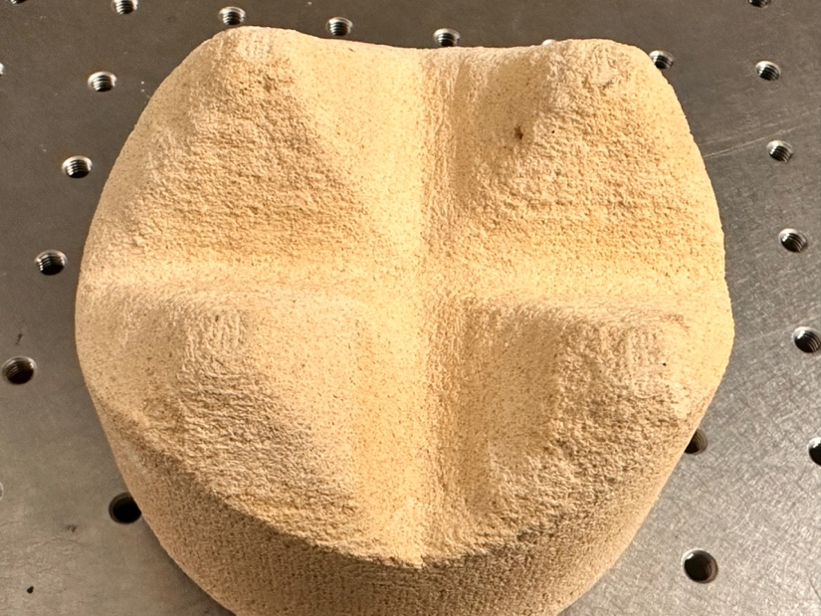
Selective Cement Activation (SCA) - Batch 2
Physical Properties
Density (Kg/dm3)
Porosity (%) and Pore Size Distribution
Elasticity Modulus (Pa)
Compressive Strength (Mpa)
Thermal Conductivity
Damping Capacity
Layering Properties | Homogeneous along the thickness direction: density, porosity, etc?
Supplementary Instruction | other suggested properties worth attention; reference
Material Properties
On the particle bed | a cement-based SCA material which is a mixture with light weight aggregates was used? Grain Size distribution/Shape of Aggregates? Aggregates Layer Thickness? In such mixture are fine aggregates containing quartz sand, a rapid-setting cement (Portland cement with Mayenite), and methyl cellulose granules (<1 M-%)? Binder Composition?
Hardening Agent/Activator
Supplementary Instruction | other suggested properties worth attention; reference
Surface Characteristics
Texture Information | two sides
Surface Roughness | two sides
Manufacturing Process Factors (more focus on geometries)
experimental setup of the printer
Layer Thickness | The thickness of each printed layer and the orientation of these layers affect how sound waves interact with the structure.
Curing Condition
Compaction and Pressure Applied
Exavation Conditions
Supplementary Instruction | other suggested properties worth attention; reference

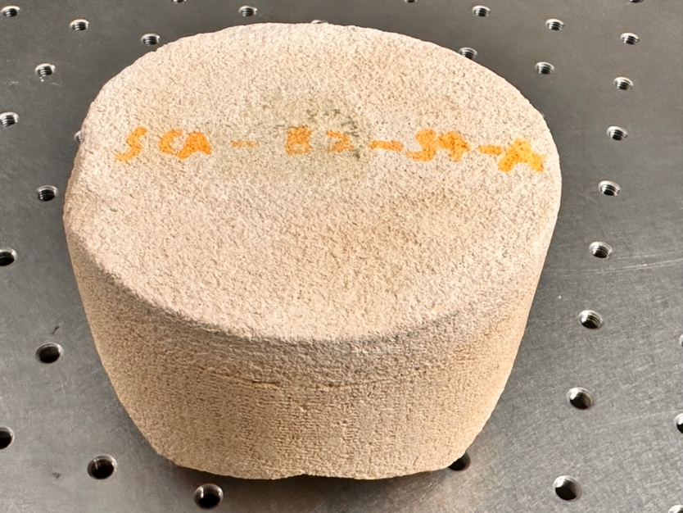
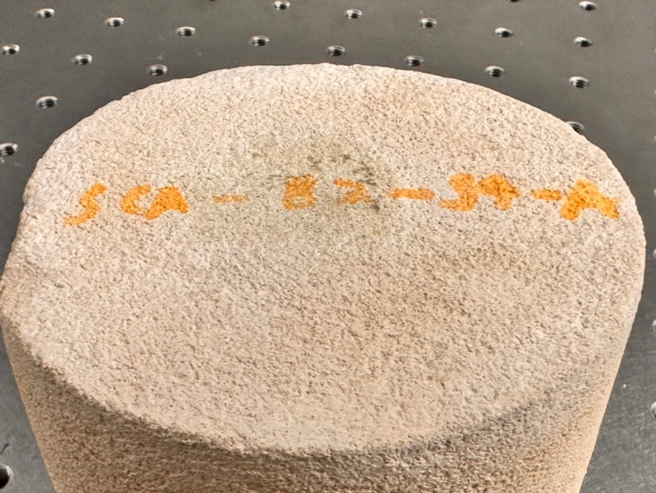
SIDE A

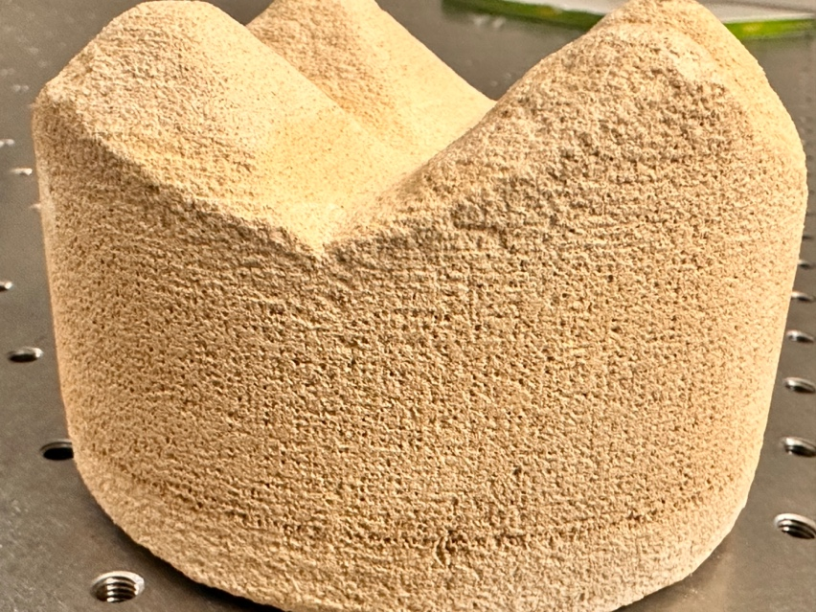

Along the thickness direction

SIDE B

